Margins
Gross & Operating Margins
 | Gross Profit | Operating Income
FY97 | 48% | 34%
FY98 | 38% | 27%
FY99 | 43% | 34%
FY00 | 46% | 37%
FY01 | 27% | 10%
FY02 | 32% | 19%
FY03 | 37% | 25%
FY04 | 45% | 34%
FY05 | 44% | 34%
FY06 | 49% | 40%
FY07 | 44% | 35%
FY08 | 43% | 31%
FY09 | 44% | 31%
FY10 | 49% | 38%
FY11 | 45% | 33%
FY12 | 48% | 36%
FY13 | 47% | 35%
FY14 | 50% | 39%
FY15 | 49% | 38%
FY16 | 50% | 40%
FY17 | 51% | 39%
FY18 | 48% | 37%
FY19 | 46% | 35%
FY20 | 53% | 42%
FY21 | 52% | 41%
FY22 | 60% | 50%
FY23 | 54% | 43%
FY24e | 54% | 43%

Growth
Revenue Growth
 | Growth
FY97
FY98 | 15%
FY99 | 45%
FY00 | 57%
FY01 | (24%)
FY02 | 29%
FY03 | 25%
FY04 | 27%
FY05 | 4%
FY06 | 19%
FY07 | 2%
FY08 | 3%
FY09 | (11%)
FY10 | 42%
FY11 | 2%
FY12 | 19%
FY13 | 18%
FY14 | 28%
FY15 | 11%
FY16 | 12%
FY17 | 3%
FY18 | 6%
FY19 | 4%
FY20 | 25%
FY21 | 19%
FY22 | 43%
FY23 | (5%)
FY24e | 30%

ROIC
ROIC
 | ROIC
FY97
FY98 | 13%
FY99 | 19%
FY00 | 28%
FY01 | 4%
FY02 | 10%
FY03 | 18%
FY04 | 31%
FY05 | 29%
FY06 | 41%
FY07 | 36%
FY08 | 36%
FY09 | 32%
FY10 | 42%
FY11 | 29%
FY12 | 30%
FY13 | 28%
FY14 | 34%
FY15 | 35%
FY16 | 39%
FY17 | 36%
FY18 | 33%
FY19 | 28%
FY20 | 36%
FY21 | 34%
FY22 | 45%
FY23 | 31%
FY24e | 36%

Capex
CapEx
 | Capex
FY97
FY98 | 82%
FY99 | 53%
FY00 | 62%
FY01 | 56%
FY02 | 34%
FY03 | 19%
FY04 | 32%
FY05 | 30%
FY06 | 25%
FY07 | 26%
FY08 | 18%
FY09 | 30%
FY10 | 45%
FY11 | 50%
FY12 | 49%
FY13 | 48%
FY14 | 38%
FY15 | 31%
FY16 | 35%
FY17 | 34%
FY18 | 31%
FY19 | 43%
FY20 | 38%
FY21 | 53%
FY22 | 48%
FY23 | 44%
FY24e | 35%

Price vs. Volume
Price vs. Volume Growth
 | Total Wafers Shipped | Blended ASP (USD, 12" Equiv.)
FY97 | 29% | (4%)
FY98 | 15% | (6%)
FY99 | 28% | (9%)
FY00 | 43% | 6%
FY01 | 28% | 10%
FY02 | 15% | 10%
FY03 | 3% | (0%)
FY04 | 32% | (4%)
FY05 | 28% | (5%)
FY06 | 25% | (5%)
FY07 | 17% | (7%)
FY08 | 15% | (6%)
FY09 | 2% | (6%)
FY10 | 14% | (3%)
FY11 | 14% | (3%)
FY12 | 22% | 2%
FY13 | 10% | 4%
FY14 | 14% | 6%
FY15 | 12% | 4%
FY16 | 11% | 4%
FY17 | 8% | 1%
FY18 | 7% | 2%
FY19 | 2% | 3%
FY20 | 6% | 5%
FY21 | 10% | 7%
FY22 | 15% | 12%
FY23 | (1%) | 15%
FY24e | (3%) | 17%

ROIC Benchmarking
 |  |  | Cap IQ: | TWSE:2330 | GOOGL | META | MSFT | AMZN | COST | HD | CMG | WMT | CASY | TSX:BYD | ASX:MP1 | EQIX | TSX:CSU | TDG
 |  |  | VisibleAlpha: | 2330_TW | GOOGL | META_US | MSFT | AMZN | COST | HD | CMG | WMT | CASY | BYD-U_CA | MP1_AU | EQIX | CSU_CA | TDG
 |  |  |  |  |  |  |  |  |  |  | 1929.858
 |  |  | TSMC |  |  |  |  |  |  |  |  |  |  |  |  |  |  | 5/19/25
 |  |  | ROIC Benchmarking
 |  |  | (Units in millions of reported currency)

 |  |  |  |  | Megacap Tech |  |  |  | Retail & Adjacent |  |  |  |  |  | Data Centers |  | Serial Acquirers
 |  |  |  | TSMC | Alphabet | Facebook | Microsoft | Amazon | Costco | Home Dpt | Chipotle | Walmart | Casey's | Boyd Grp | Megaport | Equinix | Const Soft | Transdigm
IQ_FILING_CURRENCY |  | IQ_FY0 |  | TWD | USD | USD | USD | USD | USD | USD | USD | USD | USD | USD | AUD | USD | USD | USD

 |  |  | Return (CY24e)

Total revenue, Primary |  | CY2024 | Revenue | 2,894,308 | 350,018 | 164,500 | 261,802 | 637,959 | 258,805 | 159,514 | 11,314 | 680,985 | 15,548 | n/a | 207 | 8,748 | 10,066 | 8,157

Operating income/(loss), GAAP | Operating income/(loss) | CY2024 | EBIT (GAAP) | 1,322,053 | 112,390 | 69,380 | 117,711 | 68,593 | 9,497 | 21,951 | 1,932 | 29,348 | 768 | n/a | (0) | 1,328 | 1,463 | 3,718
 |  |  | % Margin | 46% | 32% | 42% | 45% | 11% | 4% | 14% | 17% | 4% | 5% | #VALUE! | (0%) | 15% | 15% | 46%

 |  |  | Return | 1,322,053 | 112,390 | 69,380 | 117,711 | 68,593 | 9,497 | 21,951 | 1,932 | 29,348 | 768 | n/a | (0) | 1,328 | 1,463 | 3,718

 |  |  | Memo:
Depreciation & amortization expense - Cash flow | Depreciation & amortization expense (D&A) | CY2024 | D&A | 662,797 | 15,311 | 15,498 | 26,617 | 52,795 | 2,284 | 3,761 | 335 | 12,973 | 389 | n/a | 37 | 2,011 | 1,226 | 369
 |  |  | Cash Return | 1,984,850 | 127,701 | 84,878 | 144,328 | 121,388 | 11,781 | 25,712 | 2,267 | 42,321 | 1,156 | n/a | 36 | 3,339 | 2,689 | 4,087

 |  |  | Invested Capital (2Q24ae)

 |  |  | Net Working Capital
Receivables, net |  | 2QCY-2024 | AR | 210,210 | 47,087 | 14,505 | 56,924 | 50,106 | 2,583 | 5,503 | 169 | 8,650 | 165 | n/a | 23 | 1,124 | 1,546 | 1,300
Inventories, Net |  | 2QCY-2024 | Inventory | 272,491 | n/a | n/a | 1,246 | 34,109 | 17,430 | 23,060 | 36 | 55,611 | 452 | n/a | n/a | n/a | 60 | 1,878
Other current assets |  | 2QCY-2024 | Other Current Assets | 60,321 | 14,183 | 3,846 | 26,021 | n/a | 1,776 | 2,097 | 92 | 3,438 | 33 | n/a | 10 | 612 | 618 | 523
 |  |  | Total Current Assets | 543,022 | 61,270 | 18,351 | 84,191 | 84,215 | 21,789 | 30,660 | 296 | 67,699 | 650 | - | 33 | 1,736 | 2,224 | 3,701

Accounts payable |  | 2QCY-2024 | AP | 63,947 | 6,092 | 3,173 | 21,996 | 81,817 | 18,844 | 13,206 | 203 | 56,716 | 597 | n/a | 31 | 1,139 | 1,308 | 320
Accrued expense |  | 2QCY-2024 | Accrued Expenses | 630,549 | 67,570 | 21,914 | 12,564 | 60,351 | 6,704 | n/a | 393 | 30,999 | 294 | n/a | n/a | 420 | 277 | 1,003
Other current liabilities |  | 2QCY-2024 | Other Current Liabilities | n/a | 4,251 | 675 | 81,784 | 16,004 | 8,736 | 9,809 | 182 | 576 | 33 | n/a | 6 | 230 | 2,215 | n/a
 |  |  | Total Current Liabilities | 694,496 | 77,913 | 25,762 | 116,344 | 158,172 | 34,284 | 23,015 | 779 | 88,291 | 924 | - | 38 | 1,789 | 3,800 | 1,323

 |  |  | Net Working Capital | (151,474) | (16,643) | (7,411) | (32,153) | (73,957) | (12,495) | 7,645 | (482) | (20,592) | (274) | - | (5) | (53) | (1,576) | 2,378
 |  |  | % of Revenue | (5%) | (5%) | (5%) | (12%) | (12%) | (5%) | 5% | (4%) | (3%) | (2%) | #VALUE! | (2%) | (1%) | (16%) | 29%

 |  |  | Long-Term Assets
Property, plant & equipment, net |  | 2QCY-2024 | PP&E, Net | 3,105,860 | 151,155 | 102,959 | 135,591 | 220,717 | 28,062 | 26,640 | 2,266 | 113,818 | 4,695 | n/a | 36 | 18,614 | 210 | 1,431
Right-of-use asset |  | 2QCY-2024 | Right-of-Use Assets | 40,137 | n/a | 14,058 | 18,961 | 74,575 | 2,643 | 8,613 | 3,771 | 19,920 | n/a | n/a | n/a | 1,379 | 315 | n/a
Intangible assets, net |  | 2QCY-2024 | Goodwill & Intangibles, Net | 22,239 | 29,185 | 20,654 | 146,817 | 22,879 | n/a | 19,414 | 22 | 27,930 | 846 | n/a | 49 | 7,195 | 6,992 | 13,336
Other non-current assets |  | 2QCY-2024 | Other LT Assets | 82,250 | 38,263 | 9,929 | 36,460 | 63,340 | 3,918 | 9,906 | 102 | 16,262 | n/a | n/a | 21 | 1,937 | 503 | n/a
 |  |  | Total LT Assets | 3,250,486 | 218,603 | 147,600 | 337,829 | 381,511 | 34,623 | 64,573 | 6,161 | 177,930 | 5,541 | - | 106 | 29,125 | 8,020 | 14,767
Goodwill | CD | 2QCY-2024 | Memo: Goodwill | 5,796 | 29,185 | 20,654 | 119,220 | 22,879 | 2,643 | 19,414 | 22 | 27,930 | 653 | n/a | 22 | 5,622 | n/a | 10,018

 |  |  | Invested Capital | 3,099,012 | 201,960 | 140,189 | 305,676 | 307,554 | 22,128 | 72,218 | 5,679 | 157,338 | 5,268 | - | 101 | 29,072 | 6,444 | 17,145

 |  |  | Memo:
IQ_AD | IQ_FY | IQ_FQ0 | Accumulated D&A | 4,945,640 | 83,778 | 46,539 | 87,074 | 141,390 | 17,918 | 29,081 | 2,249 | 125,169 | 3,063 | 385 | 85 | 11,474 | 575 | 1,017 | -4775331.312 | -46539
 |  |  | Adjusted Invested Capital | 8,044,653 | 285,738 | 186,728 | 392,750 | 448,944 | 40,046 | 101,299 | 7,928 | 282,507 | 8,330 | 385 | 187 | 40,546 | 7,019 | 18,162

 |  |  | ROIC | 43% | 56% | 49% | 39% | 22% | 43% | 30% | 34% | 19% | 15% | #VALUE! | (0%) | 5% | 23% | 22%
 |  |  | vs. TSMC | – | +13% | +7% | (4%) | (20%) | +0% | (12%) | (9%) | (24%) | (28%) | #VALUE! | (43%) | (38%) | (20%) | (21%)

 |  |  | Memo:
 |  |  | Cash ROIC | 25% | 45% | 45% | 37% | 27% | 29% | 25% | 29% | 15% | 14% | n/a | 19% | 8% | 38% | 23%
 |  |  | vs. TSMC | (18%) | +2% | +3% | (6%) | (16%) | (13%) | (17%) | (14%) | (28%) | (29%) | #VALUE! | (23%) | (34%) | (4%) | (20%)

 |  |  | Total Shareholder IRRs
IQ_LASTSALEPRICE | 1 | 5/19/24 | LTM | +18% | (5%) | +36% | +9% | +12% | +30% | +10% | (19%) | +52% | +36% | (12%) | (16%) | +10% | +34% | +11%
IQ_LASTSALEPRICE | 5 | 5/19/20 | L5Y | +28% | +19% | +24% | +20% | +11% | +28% | +10% | +21% | +19% | +26% | +0% | (2%) | +6% | +28% | +32%
IQ_LASTSALEPRICE | 10 | 5/19/15 | L10Y | +21% | +20% | +23% | +25% | +26% | +22% | +13% | +15% | +14% | +17% | +13% | – | +13% | +25% | +20%

 |  |  | Source: Company filings, Capital IQ, VisibleAlpha
 |  |  | Note: Forecasted figures represent consensus estimates unless otherwise noted

 |  |  | Liabilities
Other non-current liabilities |  | 2QCY-2024 | Other LT Liabilities | (148) | (11,158) | (10,397) | (60,215) | (27,226) | (2,559) | (4,799) | (150) | (14,279) | (803) | (76) | (10) | (787) | (1,006) | (1,123)

 |  |  | Alternate ROIC Build
 |  |  | EBIT | 1,322,053 | 112,390 | 69,380 | 117,711 | 68,593 | 9,497 | 21,951 | 1,932 | 29,348 | 768 | n/a | (0) | 1,328 | 1,463 | 3,718
 |  |  | Tax Rate | 21% | 21% | 21% | 21% | 21% | 21% | 21% | 21% | 21% | 21% | 21% | 21% | 21% | 21% | 21%
 |  |  | NOPAT | 1,044,422 | 88,788 | 54,810 | 92,992 | 54,188 | 7,503 | 17,341 | 1,527 | 23,185 | 606 | #VALUE! | (0) | 1,049 | 1,156 | 2,937

Debt and capital lease obligations - Current |  | 2QCY-2024 | Short Term Debt | 23,076 | n/a | 1,917 | 8,942 | n/a | 1,077 | 5,108 | 264 | 6,969 | 208 | n/a | 8 | 1,279 | 729 | 528
Debt and capital lease obligations - Non-current |  | 2QCY-2024 | Long-Term Debt | 965,314 | 24,946 | 36,074 | 58,185 | 132,973 | 8,220 | 59,504 | 4,014 | 54,336 | 1,399 | n/a | 5 | 16,696 | 3,678 | 21,364
Cash, short-term investments and marketable securities |  | 2QCY-2024 | Cash | (2,048,636) | (100,725) | (58,080) | (75,543) | (89,092) | (11,499) | (1,613) | (1,490) | (8,811) | (305) | n/a | (72) | (1,993) | (1,873) | (3,360)
Total stockholders' equity incl. minority interest |  | 2QCY-2024 | Shareholder's Equity | 3,820,148 | 300,753 | 156,763 | 268,477 | 236,447 | 21,771 | 4,420 | 3,712 | 90,565 | 3,163 | n/a | 154 | 12,303 | 2,903 | (2,510)
 |  |  | Invested Capital | 2,759,902 | 224,974 | 136,674 | 260,061 | 280,328 | 19,569 | 67,419 | 6,501 | 143,059 | 4,465 | – | 95 | 28,285 | 5,437 | 16,022

 |  |  | ROIC | 38% | 39% | 40% | 36% | 19% | 38% | 26% | 23% | 16% | 14% | n/a | (0%) | 4% | 21% | 18%

IRR Under Invasion
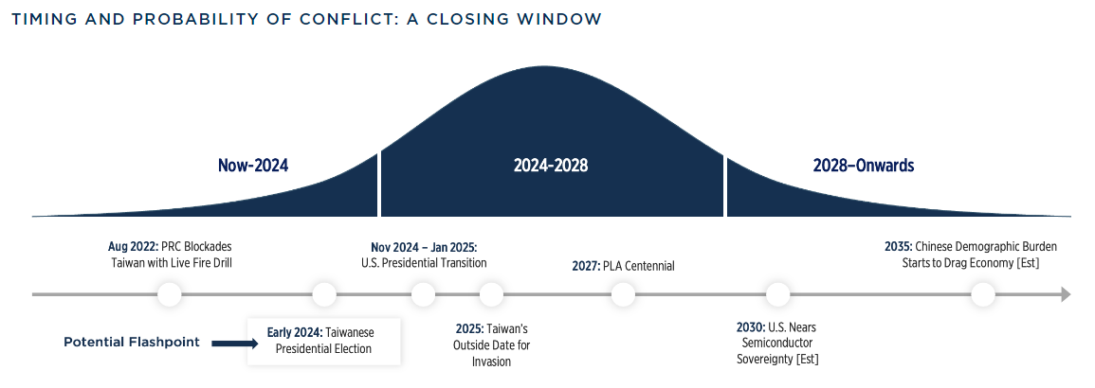
TSMC |  |  |  |  |  | 5/19/25
Expected IRR Under Invasion / No Invasion
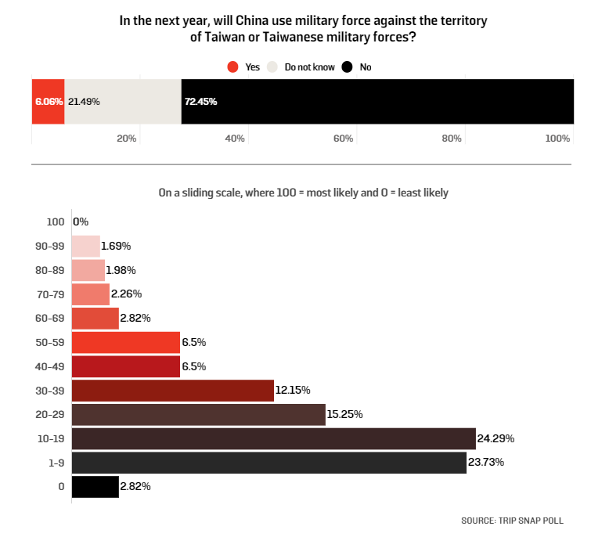
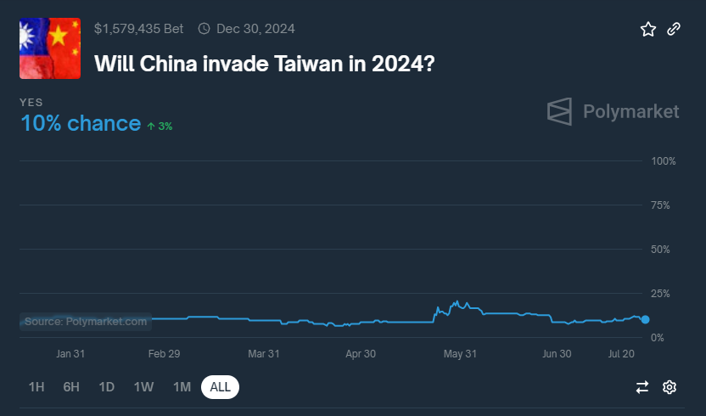

 | Compounded Probability of: |  | Compounded Return Under: |  | Expected | Expected
Year | No Invasion | Invasion | No Invasion | Invasion | Return | IRR
1 | 78% | 22% | 17% | (100%) | (9%) | (9%)
2 | 60% | 40% | 37% | (100%) | (17%) | (9%)
3 | 47% | 53% | 60% | (100%) | (25%) | (9%)
4 | 36% | 64% | 87% | (100%) | (32%) | (9%)
5 | 28% | 72% | 119% | (100%) | (38%) | (9%)
6 | 22% | 78% | 157% | (100%) | (44%) | (9%)
7 | 17% | 83% | 200% | (100%) | (49%) | (9%)
8 | 13% | 87% | 251% | (100%) | (54%) | (9%)
9 | 10% | 90% | 311% | (100%) | (58%) | (9%)
10 | 8% | 92% | 381% | (100%) | (62%) | (9%)

Note: Polymarket prices an 10% chance of a Chinese invasion of Taiwan in 2024, as of 7/26/24
Note: A William & Mary GRI poll shows experts believe there was a 23.75% change of a Chinese invasion of Taiwan
over the next year (Survey Oct 2022-Jan 2023)

Sensitivity Analysis - Expected 10-Year IRR
 |  | 1-Year Probability of Invasion
 | (9%) | 5% | 10% | 15% | 20% | 25%
Return Under No Invasion | 10% | 5% | (1%) | (6%) | (12%) | (17%)
 | 15% | 9% | 3% | (2%) | (8%) | (14%)
 | 20% | 14% | 8% | 2% | (4%) | (10%)
 | 25% | 19% | 13% | 6% | – | (6%)
 | 30% | 24% | 17% | 10% | 4% | (2%)

Invasion Adj. IRR Less IRR @ 20% |  | (6%) | (12%) | (18%) | (24%) | (30%)

Customer Concentration
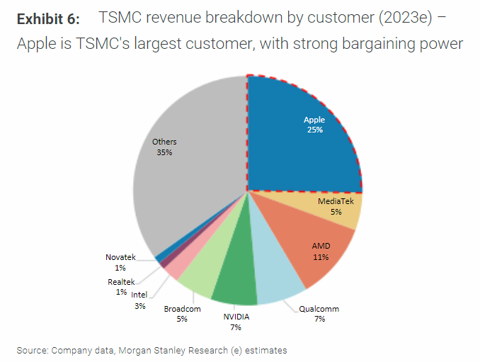
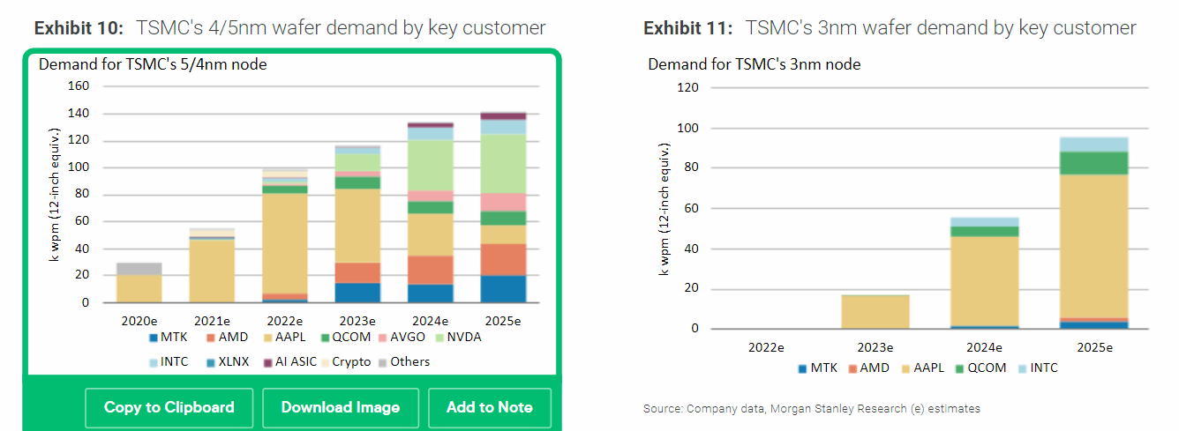
TSMC |  | WORK IN PROGRESS |  |  |  |  | 5/19/25
Customer Concentration Benchmarking
(TWD in billions)

 | FY19 | FY20 | FY21 | FY22 | FY23 | FY24e | FY25e | FY26e

Customer Mix

MS
Apple | 23% | 25% | 26% | 23% | 25%
MediaTek | 6% | 8% | 10% | 7% | 5%
AMD | 4% | 6% | 10% | 9% | 11%
Qualcomm | 7% | 5% | 8% | 9% | 7%
NVIDIA | 6% | 4% | 4% | 6% | 7%
Broadcom | 5% | 4% | 5% | 3% | 5%
Intel | 2% | 2% | 2% | 4% | 3%
Huawei | 14% | 12% | - | - | -
Others | 33% | 34% | 35% | 39% | 37%
Total | 100% | 100% | 100% | 100% | 100%

BofA
Apple | 23% | 26% | 26% | 22% | 25% | 25% | 25%
MediaTek | 5% | 7% | 9% | 8% | 7% | 8% | 9%
AMD | 7% | 9% | 9% | 9% | 11% | 10% | 10%
Qualcomm | 7% | 7% | 9% | 9% | 8% | 7% | 6%
NVIDIA | 9% | 8% | 8% | 6% | 9% | 14% | 15%
Broadcom | 4% | 4% | 4% | 4% | 5% | 6% | 6%
Intel | 1% | 1% | 1% | 2% | 2% | 3% | 6%
Huawei | 14% | 13% | - | - | - | - | -
Others | 30% | 25% | 35% | 40% | 34% | 29% | 23%
Total | 100% | 100% | 100% | 100% | 100% | 100% | 100%

Average
Apple | 23% | 25% | 26% | 23% | 25% | 25% | 25%
MediaTek | 6% | 7% | 10% | 8% | 6% | 8% | 9%
AMD | 5% | 7% | 10% | 9% | 11% | 10% | 10%
Qualcomm | 7% | 6% | 8% | 9% | 7% | 7% | 6%
NVIDIA | 8% | 6% | 6% | 6% | 8% | 14% | 15%
Broadcom | 5% | 4% | 4% | 3% | 5% | 6% | 6%
Intel | 1% | 1% | 1% | 3% | 2% | 3% | 6%
Huawei | 14% | 13% | - | - | - | - | -
Others | 31% | 30% | 35% | 39% | 36% | 29% | 23%
Total | 100% | 100% | 100% | 100% | 100% | 100% | 100%

TSMC Reported Net Revenue Concentration
Largest | 23% | 25% | 26% | 23% | 25%
Second Largest | 14% | 12% | 10% | <10% | 11%
Top 10 Largest | 71% | 74% | 71% | 68% | 70%
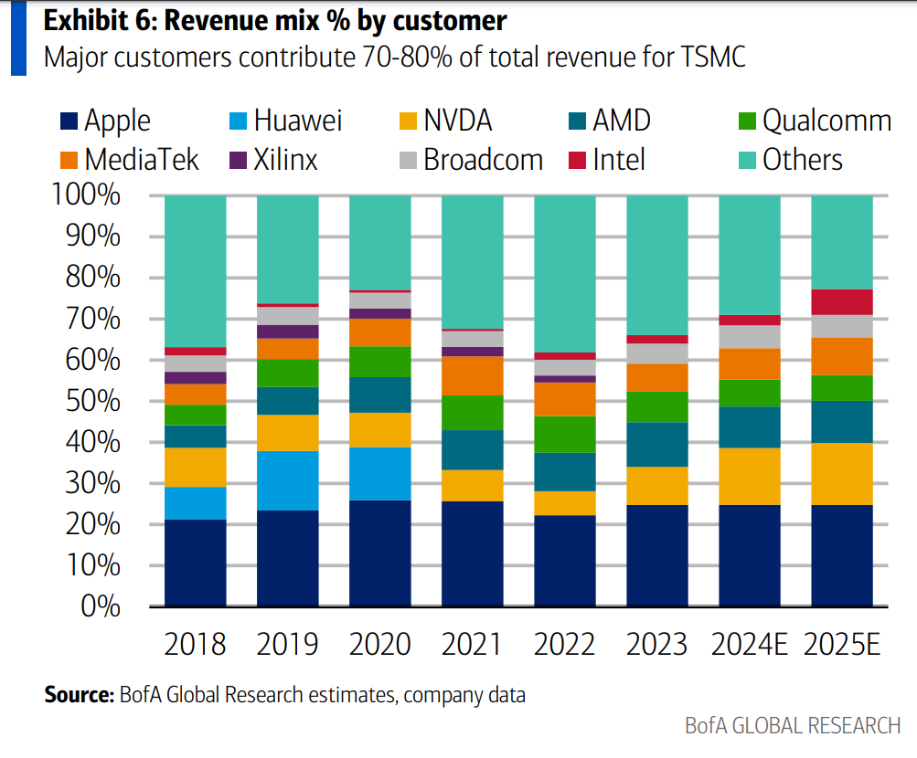
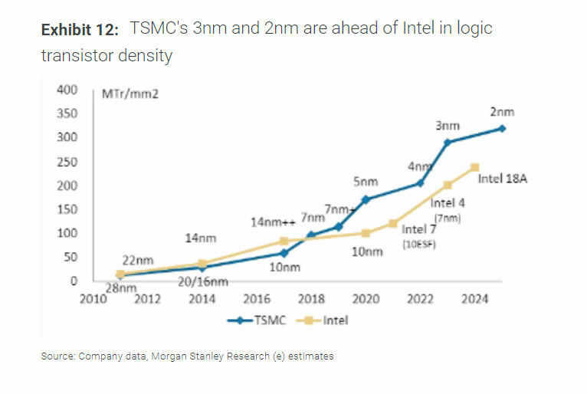
Revenue (Est.)
Apple | 247 | 339 | 409 | 510 | 536 | 692 | 850
MediaTek | 60 | 100 | 155 | 174 | 127 | 212 | 323
AMD | 56 | 98 | 155 | 207 | 234 | 282 | 351
Qualcomm | 72 | 83 | 132 | 200 | 157 | 185 | 215
NVIDIA | 81 | 83 | 93 | 136 | 178 | 397 | 527
Broadcom | 50 | 53 | 70 | 78 | 109 | 162 | 193
Intel | 15 | 18 | 21 | 64 | 52 | 74 | 215
Huawei | 152 | 168 | - | - | - | - | -
Others | 335 | 398 | 553 | 893 | 770 | 812 | 793
Total | 1,070 | 1,339 | 1,587 | 2,264 | 2,162 | 2,816 | 3,468

Y/Y % Growth
Apple |  | 37% | 20% | 25% | 5% | 29% | 23%
MediaTek |  | 66% | 55% | 12% | (27%) | 68% | 52%
AMD |  | 74% | 57% | 34% | 13% | 20% | 25%
Qualcomm |  | 14% | 60% | 51% | (22%) | 18% | 17%
NVIDIA |  | 2% | 12% | 47% | 31% | 123% | 33%
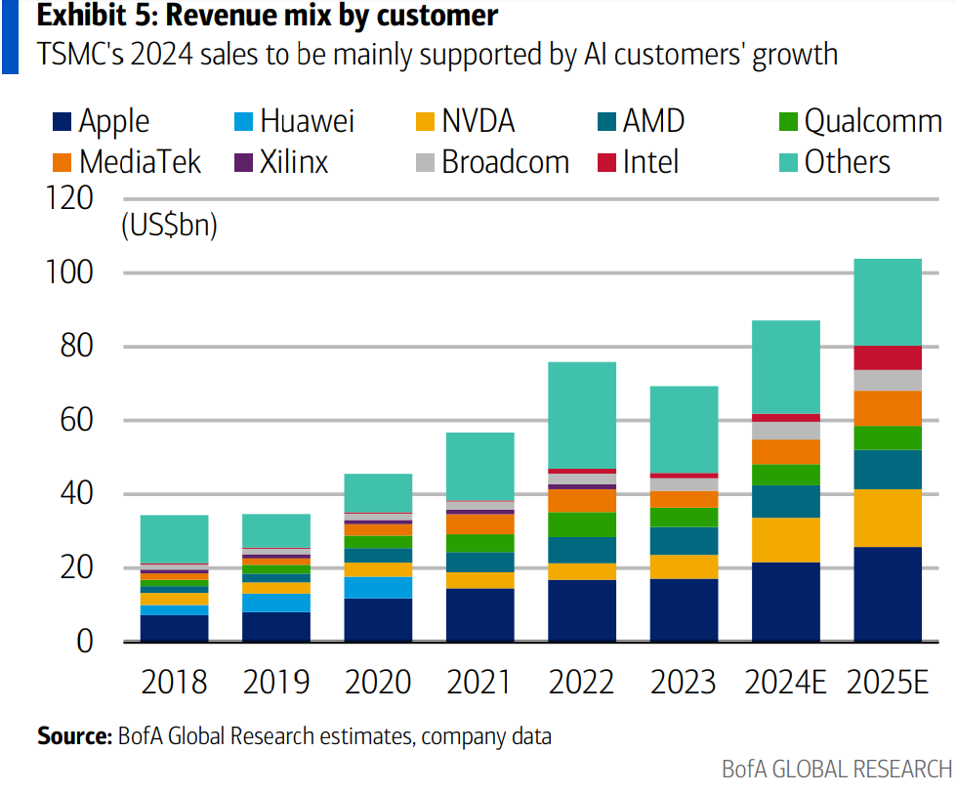
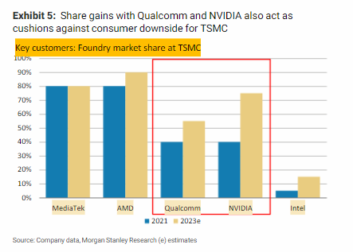
Broadcom |  | 5% | 31% | 13% | 39% | 48% | 19%
Intel |  | 18% | 19% | 203% | (19%) | 42% | 192%
Huawei |  | 11% | n/a | n/a | n/a | n/a | n/a
Others |  | 19% | 39% | 62% | (14%) | 6% | (2%)
Total |  | 25% | 19% | 43% | (5%) | 30% | 23%

Memo: Apple Breakdown (Est.)
iPhone |  |  |  |  |  | 56%
iPad |  |  |  |  |  | 14%
Mac |  |  |  |  |  | 11%
Wearables, Home, Acc. |  |  |  |  |  | 10%
AI Server |  |  |  |  |  | 9%
Total |  |  |  |  |  | 100%

Memo: Apple Breakdown
iPhone |  |  |  |  |  | 388
iPad |  |  |  |  |  | 97
Mac |  |  |  |  |  | 76
Wearables, Home, Acc. |  |  |  |  |  | 69
AI Server |  |  |  |  |  | 62
Total |  |  |  |  |  | 692

Memo: Apple Breakdown – TSMC Segments
Smartphone |  |  |  |  |  | 388
HPC |  |  |  |  |  | 235
Digital Consumer Electronics |  |  |  |  |  | 69
Total |  |  |  |  |  | 692

Memo: Apple Breakdown – TSMC Segments (% Mix)
Smartphone |  |  |  |  |  | 56%
HPC |  |  |  |  |  | 34%
Digital Consumer Electronics |  |  |  |  |  | 10%
Total |  |  |  |  |  | 100%

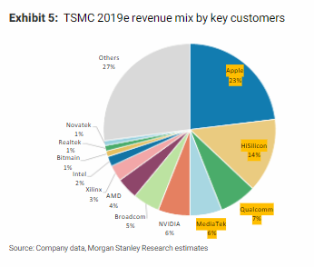
Revenue (USD, mm)
Apple | 8,004 | 11,521 | 14,634 | 17,124 | 17,182 | 21,564 | 26,313
MediaTek | 1,945 | 3,380 | 5,535 | 5,828 | 4,061 | 6,613 | 9,999
AMD | 1,825 | 3,335 | 5,535 | 6,960 | 7,503 | 8,769 | 10,876
Qualcomm | 2,345 | 2,810 | 4,735 | 6,711 | 5,038 | 5,750 | 6,666
NVIDIA | 2,625 | 2,806 | 3,320 | 4,578 | 5,719 | 12,363 | 16,314
Broadcom | 1,630 | 1,802 | 2,489 | 2,631 | 3,493 | 5,032 | 5,964
Intel | 488 | 603 | 754 | 2,140 | 1,665 | 2,300 | 6,666
Huawei | 4,916 | 5,703 | - | - | - | - | -
Others | 10,839 | 13,492 | 19,792 | 29,973 | 24,692 | 25,302 | 24,559
Total | 34,617 | 45,451 | 56,794 | 75,945 | 69,352 | 87,694 | 107,358
TWDUSD | 30.9x | 29.5x | 28.0x | 29.8x | 31.2x | 32.1x | 32.3x
Select Customer Mix | 47% | 49% | 54% | 50% | 56% | 61% | 62%

Top Customer Analysis
(USD in millions)

Apple
Products Revenue
Fiscal Year (Ends Sept) | 213,883 | 220,747 | 297,392 | 316,199 | 298,085 | 293,976 | 313,456 | 329,836
(-) FY 1Q | (73,435) | (79,104) | (95,678) | (104,429) | (96,388) | (96,458) | (102,153) | (109,104)
(+) FY+1 1Q | 79,104 | 95,678 | 104,429 | 96,388 | 96,458 | 102,153 | 109,104
Calendar Year | 219,552 | 237,321 | 306,143 | 308,158 | 298,155 | 299,670 | 320,407
Y/Y % Change |  | 8% | 29% | 1% | (3%) | 1% | 7%

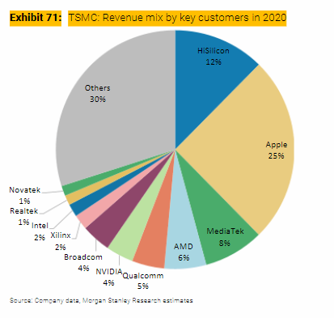
Products Cost of Sales
Fiscal Year (Ends Sept) | 144,996 | 151,286 | 192,266 | 201,471 | 189,282 | 184,785 | 197,868 | 209,052
(-) FY 1Q | (48,238) | (52,075) | (62,130) | (64,309) | (60,765) | (58,440) | (62,763) | (66,718)
(+) FY+1 1Q | 52,075 | 62,130 | 64,309 | 60,765 | 58,440 | 62,763 | 66,718
Calendar Year | 148,833 | 161,341 | 194,445 | 197,927 | 186,957 | 189,108 | 201,823
Products CoS as % of Revenue | 68% | 68% | 64% | 64% | 63% | 63% | 63%

TSMC Spend | 8,004 | 11,521 | 14,634 | 17,124 | 17,182 | 17,374 | 18,507
% of Products CoS | 5% | 7% | 8% | 9% | 9% | 9% | 9%
Incremental |  | 28% | 9% | 72% | n/m | 9% | 9%
% L2Y Products CoS |  | 6% | 7% | 8% | 9% | 9% | 9%
vs. BofA Estimate |  |  |  |  |  | (4,190) | (7,806)

NVIDIA
Revenue
Fiscal Year (Ends Jan) | 11,716 | 10,918 | 16,675 | 26,914 | 26,974 | 60,922 | 120,452 | 169,074
Calendar Year | 10,985 | 16,195 | 26,061 | 26,969 | 58,093 | 115,491 | 165,022
Y/Y % Change |  | 47% | 61% | 3% | 115% | 99% | 43%

Cost of Sales
Fiscal Year (Ends Jan) | 4,545 | 4,150 | 6,279 | 9,439 | 11,618 | 16,621 | 29,187 | 42,135
Calendar Year | 4,183 | 6,102 | 9,176 | 11,436 | 16,204 | 28,140 | 41,056
CoS as % of Revenue | 38% | 38% | 35% | 42% | 28% | 24% | 25%

TSMC Spend | 2,625 | 2,806 | 3,320 | 4,578 | 5,719 | 11,556 | 17,872
% of CoS | 63% | 46% | 36% | 40% | 35% | 41% | 44%
Incremental |  | n/m | 24% | 40% | 52% | 49% | 49%
% L2Y CoS |  | 62% | 59% | 50% | 49% | 61% | 64%
vs. BofA Estimate |  |  |  |  |  | (808) | 1,557
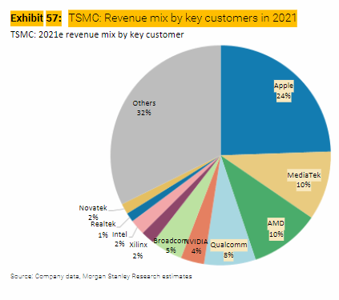
AMD
Revenue | 6,731 | 9,763 | 16,434 | 23,601 | 22,680 | 25,622 | 32,795
Y/Y % Change |  | 45% | 68% | 44% | (4%) | 13% | 28%

Cost of Sales | 3,863 | 5,416 | 8,505 | 11,550 | 11,278 | 12,719 | 15,300
CoS as % of Revenue | 57% | 55% | 52% | 49% | 50% | 50% | 47%

TSMC Spend | 1,825 | 3,335 | 5,535 | 6,960 | 7,503 | 8,416 | 10,051
% of CoS | 47% | 62% | 65% | 60% | 67% | 66% | 66%
Incremental |  | 97% | 71% | 47% | n/m | 63% | 63%
% L2Y Products CoS |  | 56% | 64% | 62% | 63% | 66% | 66%
vs. BofA Estimate |  |  |  |  |  | (353) | (825)

Qualcomm
QCT Non-GAAP Revenue
Fiscal Year (Ends Sept) | 14,639 | 16,493 | 27,019 | 37,677 | 30,382 | 32,922 | 35,729
(-) FY 1Q | (3,739) | (3,618) | (6,533) | (8,847) | (7,892) | (8,423) | (8,945) | (9,614)
(+) FY+1 1Q | 3,618 | 6,533 | 8,847 | 7,892 | 8,423 | 8,945 | 9,614
Calendar Year | 14,518 | 19,408 | 29,333 | 36,722 | 30,913 | 33,444 | 36,398
Y/Y % Change |  | 34% | 51% | 25% | (16%) | 8% | 9%

QCT Non-GAAP EBT
Fiscal Year (Ends Sept) | 2,143 | 2,763 | 7,763 | 12,837 | 7,924 | 9,414 | 10,254
(-) FY 1Q | (598) | (479) | (1,919) | (3,114) | (2,183) | (2,593) | (2,593) | (2,767)
(+) FY+1 1Q | 479 | 1,919 | 3,114 | 2,183 | 2,593 | 2,593 | 2,767
Calendar Year | 2,024 | 4,203 | 8,958 | 11,906 | 8,334 | 9,414 | 10,428
Y/Y % Change |  | 108% | 113% | 33% | (30%) | 13% | 11%

QCT Expenses | 12,494 | 15,205 | 20,375 | 24,816 | 22,579 | 24,030 | 25,971
Expenses as % of Revenue | 86% | 78% | 69% | 68% | 73% | 72% | 71%

TSMC Spend | 2,345 | 2,810 | 4,735 | 6,711 | 5,038 | 5,398 | 5,879
% of Expenses | 19% | 18% | 23% | 27% | 22% | 22% | 23%
Incremental |  | 17% | 37% | 45% | n/m | 25% | 25%
% L2Y QCT Expenses |  | 19% | 21% | 25% | 25% | 59% | 57%
vs. BofA Estimate |  |  |  |  |  | (353) | (787)

Broadcom
Semiconductor Solutions Net Revenue
Fiscal Year (Ends Oct) | 17,441 | 17,267 | 20,383 | 25,818 | 28,182 | 30,134 | 34,572
(-) FY 1Q | (4,386) | (4,191) | (4,908) | (5,873) | (7,107) | (7,390) | (8,277) | (9,383)
(+) FY+1 1Q | 4,191 | 4,908 | 5,873 | 7,107 | 7,390 | 8,277 | 9,383
Calendar Year | 17,246 | 17,984 | 21,348 | 27,052 | 28,465 | 31,021 | 35,677
Y/Y % Change |  | 4% | 19% | 27% | 5% | 9% | 15%

Semiconductor Solutions Opeating Income
Fiscal Year (Ends Oct) | 8,538 | 8,576 | 10,976 | 15,075 | 16,486 | 16,436 | 18,780
(-) FY 1Q | (2,032) | (2,043) | (2,561) | (3,349) | (4,123) | (4,116) | (4,736) | (5,471)
(+) FY+1 1Q | 2,043 | 2,561 | 3,349 | 4,123 | 4,116 | 4,736 | 5,471
Calendar Year | 8,549 | 9,094 | 11,764 | 15,849 | 16,479 | 17,056 | 19,515
Y/Y % Change |  | 6% | 29% | 35% | 4% | 4% | 14%

Semiconductor Solutions Expenses | 8,697 | 8,890 | 9,584 | 11,203 | 11,986 | 13,965 | 16,162
Expenses as % of Revenue | 50% | 49% | 45% | 41% | 42% | 45% | 45%

TSMC Spend | 1,630 | 1,802 | 2,489 | 2,631 | 3,493 | 4,016 | 4,596
% of Expenses | 19% | 20% | 26% | 23% | 29% | 29% | 28%
Incremental |  | 89% | 99% | 9% | 110% | 26% | 26%
% L2Y SS Expenses |  | 20% | 23% | 25% | 26% | 22% | 24%
vs. BofA Estimate |  |  |  |  |  | (1,016) | (1,368)

Totals by Customer (CRC)
Apple | 8,004 | 11,521 | 14,634 | 17,124 | 17,182 | 17,374 | 18,507
NVIDIA | 2,625 | 2,806 | 3,320 | 4,578 | 5,719 | 11,556 | 17,872
AMD | 1,825 | 3,335 | 5,535 | 6,960 | 7,503 | 8,416 | 10,051
Qualcomm | 2,345 | 2,810 | 4,735 | 6,711 | 5,038 | 5,398 | 5,879
Broadcom | 1,630 | 1,802 | 2,489 | 2,631 | 3,493 | 4,016 | 4,596
Other | 18,188 | 23,178 | 26,081 | 37,941 | 30,417 | 36,529 | 44,455
Total Revenue | 34,617 | 45,451 | 56,794 | 75,945 | 69,352 | 83,288 | 101,359
Y/Y % Growth |  | 31% | 25% | 34% | (9%) | 20% | 22%
Y/Y % Growth - Select Customer |  | 36% | 38% | 24% | 2% | 20% | 22%
Y/Y % Growth - Other |  | 27% | 13% | 45% | (20%) | 20% | 22%
Select Customer Mix | 47% | 49% | 54% | 50% | 56% | 56% | 56%
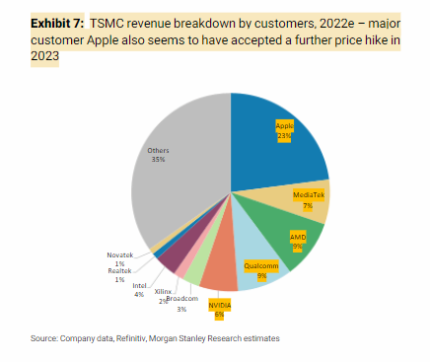
CRC Base Case |  |  |  |  |  | 87,694 | 107,358
vs. CRC Base Case |  |  |  |  |  | (4,406) | (5,999)

WC Reconciliation
Operating Income | 921,466 |  | 2021 | 2022 | 2023 |  |  |  |  | December 31, 2022 | December 31, 2023
Y/Y % Change | (18%) |  | NT$ | NT$ | NT$ | CRC | Difference |  |  | NT$ | NT$
Margin | 43%
Y/Y Incremental Margin | n/m | CASH FLOWS FROM OPERATING ACTIVITIES |  |  |  |  |  |  | CURRENT LIABILITIES
Memo: R&D as % of Net Rev | 8% | Income before income tax | 663,036 | 1,144,072 | 979,317 |  |  |  | Financial liabilities at fair value through profit or loss | 116 | 121
Memo: SG&A as % of Net Rev | 3% | Depreciation expense | 414,188 | 428,498 | 522,933 |  |  |  | Hedging financial liabilities | 1 | 27,334
 |  | Amortization expense | 8,207 | 8,756 | 9,258 |  |  |  | Accounts payable | 54,880 | 55,727
Share of Profits of Associates and Joint Venture | 4,655 | Expected credit losses recognized (reversal) on investments in debt instruments | (3) | 52 | 36 |  |  |  | Payables to related parties | 1,643 | 1,566
Net Interest | 48,294 | Finance costs | 5,414 | 11,750 | 11,999 |  |  |  | Salary and bonus payable | 36,436 | 33,201
Other | 4,756 | Share of profits of associates | (5,513) | (7,680) | (4,800) |  |  |  | Accrued profit sharing bonus to employees and compensation to directors | 61,749 | 50,717
Income Before Income Tax | 979,171 | Interest income | (5,709) | (22,422) | (60,294) |  |  |  | Payables to contractors and equipment suppliers | 213,500 | 171,485 | (42,015)
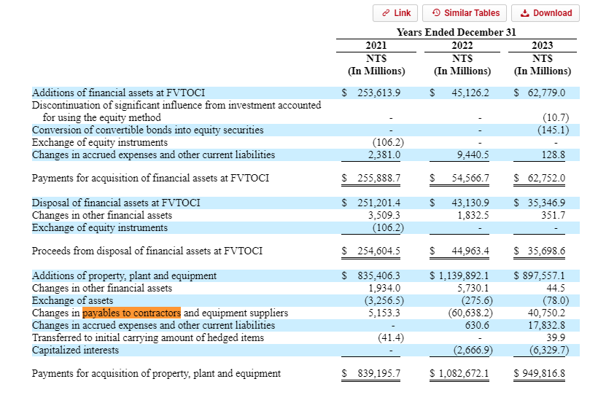
Taxation | 146,876 | Share-based compensation | 8 | 302 | 483 |  |  |  | Cash dividends payable | 142,617 | 168,559
CRC Income Before NCI | 832,295 | Loss (gain) on disposal or retirement of property, plant and equipment, net | 274 | (99) | 369 |  |  |  | Income tax payable | 163,139 | 128,135
NCI | (730) | Loss (gain) on disposal or retirement of intangible assets, net | 1 | 6 | (3) |  |  |  | Long-term liabilities - current portion | 19,314 | 9,293
CRC NI | 833,025 | Impairment loss on property, plant and equipment | 274 | 791 | – |  |  |  | Accrued expenses and other current liabilities | 293,171 | 296,668
WA Shares O/S - Diluted | 25,929 | Gain on financial instruments at fair value through profit or loss, net | – | – | (12) |  |  |  | Total current liabilities | 986,564 | 942,805
CRC EPS | 32.13 | Loss (gain) on disposal of investments in debt instruments at fair value through other comprehensive income, net | (93) | 410 | 474
Y/Y % Change | (14%) | Gain on disposal of investments accounted for using equity method, net | – | – | (16) |  |  |  | Financial liabilities at fair value through profit or loss
Memo: Taxation rate | 15% | Loss (gain) on foreign exchange, net | (16,116) | 10,343 | (247) |  |  |  | Hedging financial liabilities
 |  | Dividend income | (362) | (267) | (464) |  |  |  | Accounts payable
FCF |  | Others | (414) | 139 | (338) |  |  |  | Payables to related parties
EBIT | 921,466 | Financial instruments at fair value through profit or loss | 2,649 | (1,354) | 290 |  |  |  | Salary and bonus payable | 36,436 | 33,201
D&A | 532,191 | Notes and accounts receivable, net | (52,106) | (32,170) | 28,442 |  |  |  | Accrued profit sharing bonus to employees and compensation to directors | 61,749 | 50,717
CRC EBITDA | 1,453,657 | Receivables from related parties | (157) | (869) | 960 |  |  |  | Payables to contractors and equipment suppliers
CapEx | 949,817 | Other receivables from related parties | (11) | (8) | (3) |  |  |  | Cash dividends payable
CRC EBITDA - CapEx | 503,840 | Inventories | (55,749) | (28,047) | (29,848) |  |  |  | Income tax payable | 163,139 | 128,135
Y/Y % Change | 6% | Other financial assets | (8,237) | (1,681) | 1,879 |  |  |  | Long-term liabilities - current portion
Margin | 23% | Other current assets | (3,899) | (4,451) | (12,531) |  |  |  | Accrued expenses and other current liabilities | 293,171 | 296,668
Memo: D&A as % of Net Revenue | 25% | Other noncurrent assets | – | – | (720) |  |  |  | Total current liabilities
Memo: CapEx as % of Net Revenue | 44% | Accounts payable | 8,298 | 7,594 | 847 |  |  |  |  | 554,494 | 508,720
 |  | Payables to related parties | (671) | 205 | (76) |  |  |  |  |  | (45,774)
Net Interest | 48,294 | Salary and bonus payable | 3,731 | 12,633 | (3,235)
Taxation | (146,876) | Accrued profit sharing bonus to employees and compensation to directors | 844 | 25,224 | (11,032)
Recurring FCF | 405,258 | Accrued expenses and other current liabilities | 84,323 | 46,579 | (44,467)
Y/Y % Change | 29% | Other noncurrent liabilities | 154,086 | 101,391 | 13,330
 |  | Net defined benefit liability | (635) | (2,539) | (687)
SBC | 483 | Income taxes paid | (83,498) | (86,561) | (159,875)
Change in WC (CRC) | (19,526) | CapEx |  |  | (949,817)
Other | (45,771) |  |  |  | 292,150
Realized FCF | 340,444 |  |  |  | 340,445

 |  | Income before income tax |  |  | 979,317 | 979,171 | 146
 |  | Share of Profits of Associates and Joint Venture |  |  | (4,800) | (4,655) | (145)
 |  | Net Interest |  |  | (48,295) | (48,294) | (1)
 |  | Other |  |  | (201) | (4,756) | 4,555
 |  | EBIT |  |  | 926,021 | 921,466
 |  | D&A |  |  | 532,191 | 532,191 | (0)
 |  | Capex |  |  | (949,817) | (949,817) | –
 |  | EBITDA - Capex |  |  | 508,394 | 503,840
 |  | Net Interest |  |  | 48,295 | 48,294 | 1
 |  | Taxation |  |  | (159,875) | (146,876) | (12,999)
 |  | Recurring FCF |  |  | 396,814 | 405,258

 |  | AR |  |  | 29,399 | 29,402 | (3)
 |  | Inventory |  |  | (29,848) | (29,848) | –
 |  | Current Assets |  |  | (12,531) | (14,531) | 2,000
 |  | AP |  |  | 771 | 771 | (0)
 |  | Accrued Expenses |  |  | (44,467) | (5,320) | (39,147) | >>>
 |  | Other |  |  | (176) | – | (176)
 |  | Change in WC |  |  | (56,852) | (19,526)

 |  | SBC |  |  | 483 | 483 | (0)
 |  | Other |  |  | – | (45,771) | 45,771
 |  | Realized FCF |  |  | 340,445 | 340,444 | 1

